Instruction Set
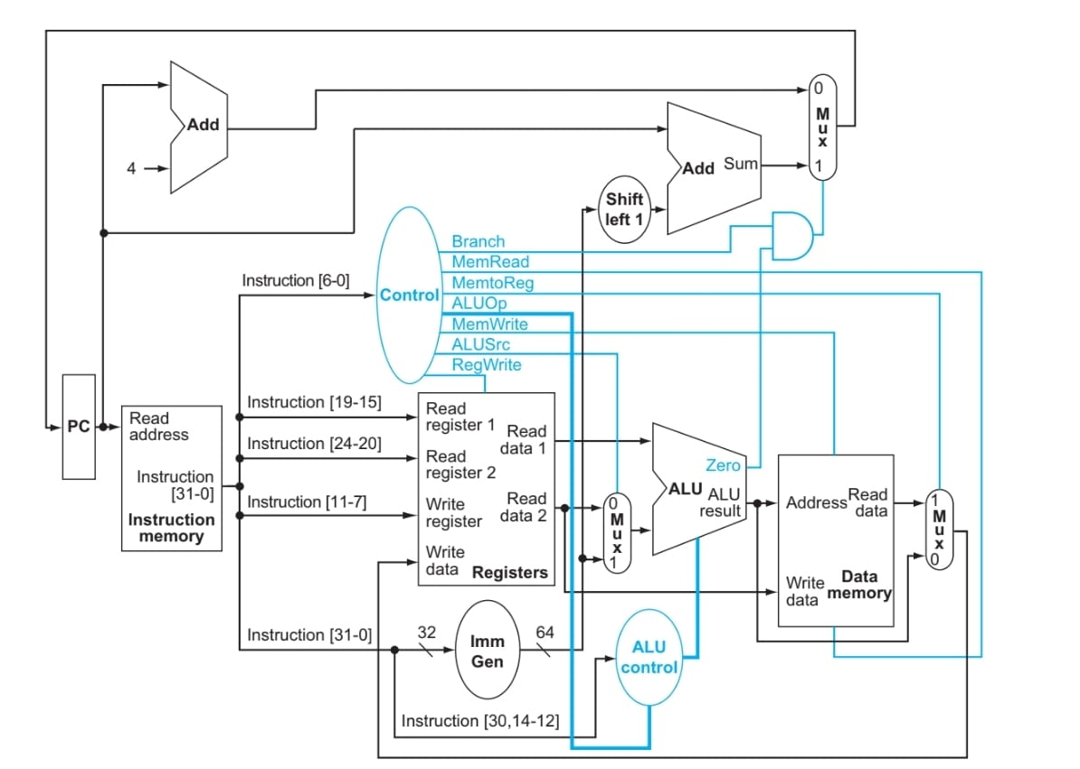
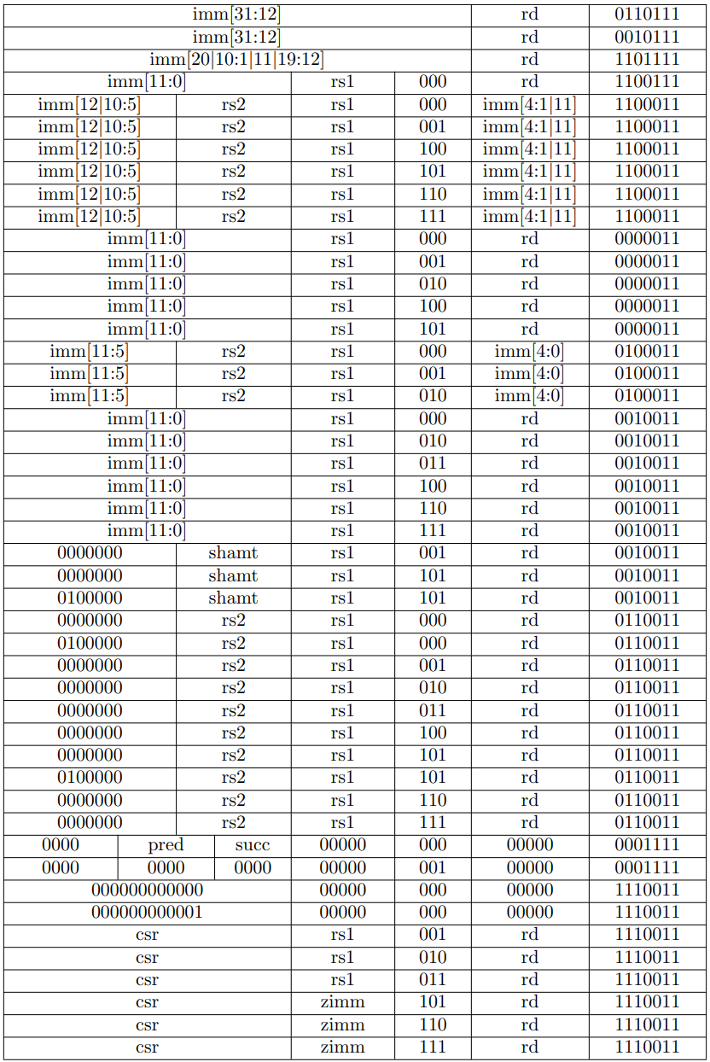
Instruction Name | Instruction | Instruction Format | Meaning | Additional
LUI |  | U | Load upper immediate | Bonus Marks | Instruction Formats
AUIPC |  | U | Add upper immediate with PC
JAL |  | J | Jump and link
JALR |  | I | Jump and link register | Basic Instructions
BEQ |  | B | Branch equality
BNE |  | B | Branch not equal
BLT |  | B | Branch less than
BGE |  | B | Branch greater than
BLTU |  | B | Branch less than unsigned
BGEU |  | B | Branch greater than unsigned
LB |  | I | Load byte
LH |  | I | Load halfword |  | Control Signals
LW |  | I | Load word
LBU |  | I | Load byte unsigned
LHU |  | I | Load halfword unsigned
SB |  | S | Store byte
SH |  | S | Store halfword
SW |  | S | Store word
ADDI |  | I | Add immediate
SLTI |  | I | Set less than immediate
SLTIU |  | I | Set less than immediate unsigned
XORI |  | I | XOR with immediate
ORI |  | I | OR with immediate
ANDI |  | I | AND with immediate
SLLI |  | I | Logical left shift with immediate
SRLI |  | I | Logical right shift with immediate
SRAI |  | I | Arithmatic right shift with immediate
ADD |  | R | Addition
SUB |  | R | Subtraction
SLL |  | R | Logical left shift
SLT |  | R | Set less than
SLTU |  | R | Set ledd than unsigned
XOR |  | R | XOR operation
SRL |  | R | Logical right shift
SRA |  | R | Arithmatic right shift
OR |  | R | OR operation
AND |  | R | AND operation
FENCE |  | I | Fence
FENCE.I |  | I | Fench with immediate
ECALL |  | I | Environmental call
EBREAK |  | I | Environmental break
CSRRW |  | I | Atomic read/write CSR | Available in the documentation but not in the slides
CSRRS |  | I | Atomic read and set bits in CSR
CSRRC |  | I | Atomic read and clear bits in CSR
CSRRWI |  | I | Atomic read/write CSR with unsigned immediate
CSRRSI |  | I | Atomic read and set bits in CSR with unsigned immediate
CSRRCI |  | I | Atomic read and clear bits in CSR with unsigned immediate

 | Complete Datapath
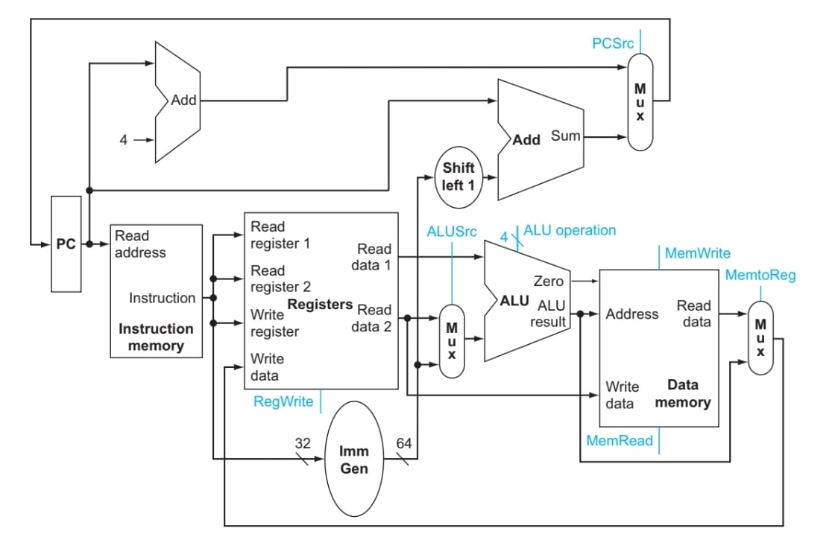

 | Control Signals

